Tabelle1
 | To Do
1 | Oscilator is wrong frequency. Needs to be 8.192
2 | Correct all points in the BRD
3 | Exchange ADR
4 | exchange clock
5 | exchange battery holder | https://eu.mouser.com/Search/Refine?Keyword=SMTU2477N%e2%80%90LF
6 | exchange usb port | https://eu.mouser.com/Search/Refine?Keyword=ZX62R%e2%80%90B%e2%80%905P
7 | change footprint of the ESD Ics | 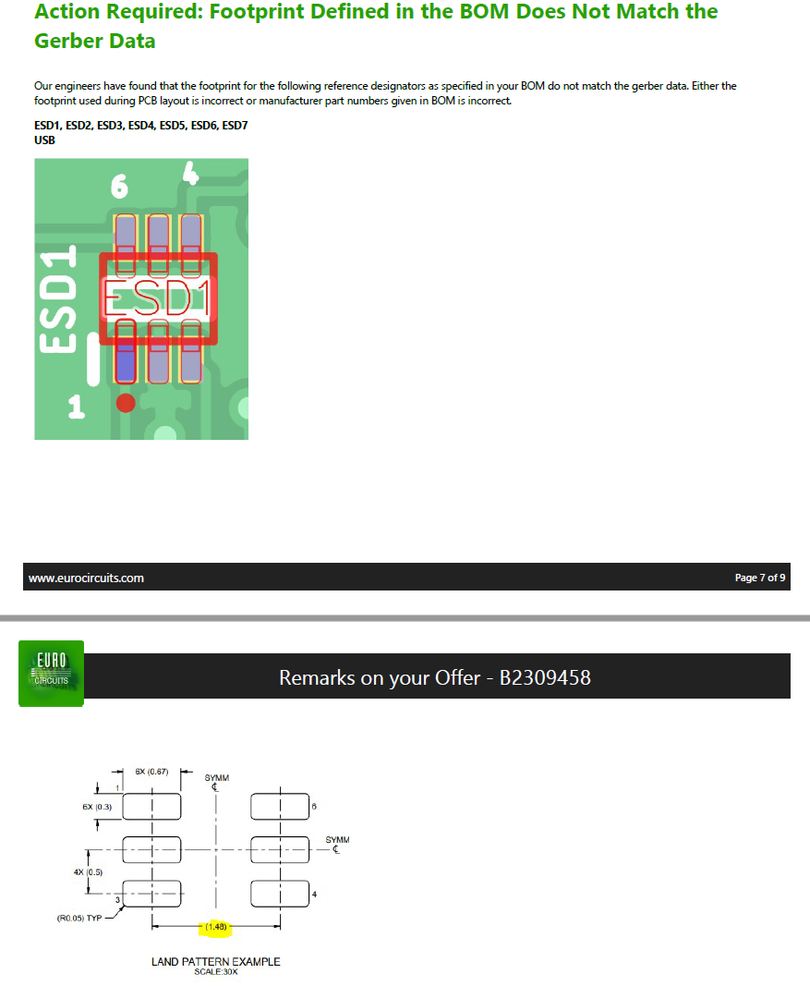
8
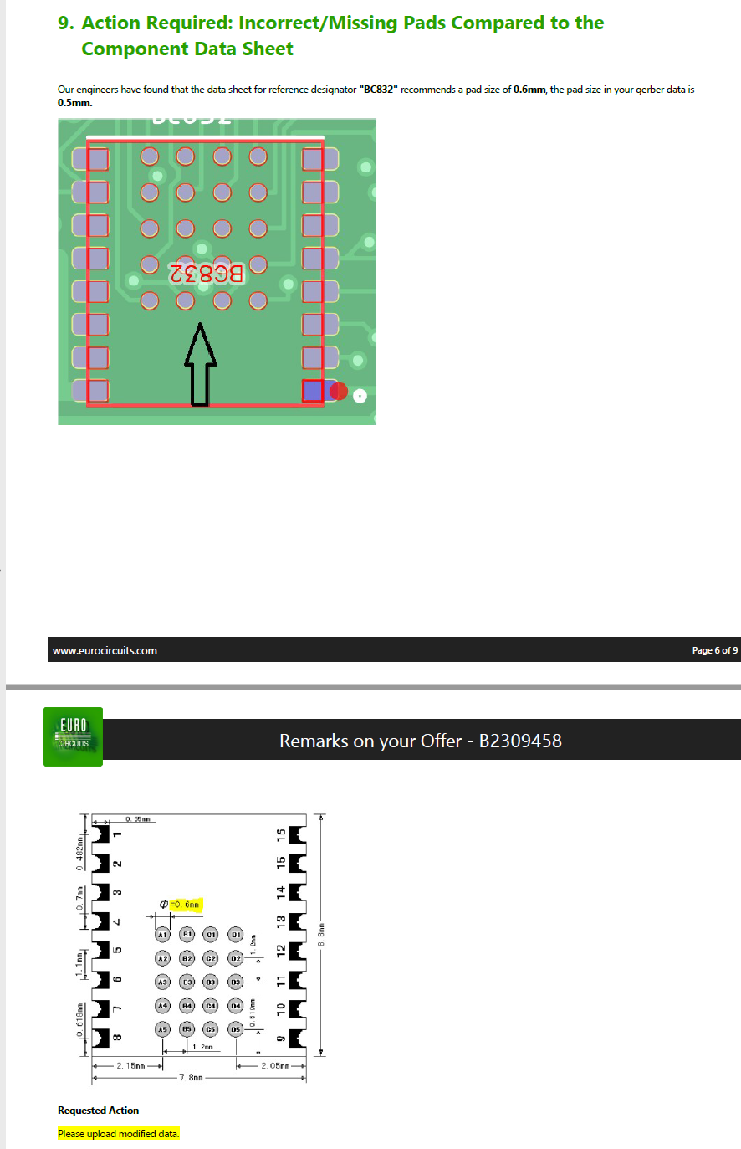
9 | change footprint of832
10
11
12
13
14
15
16
17
18
19
20
21
22
23

